WIP API for GLML Taxonomy
API for GLML Taxonomy

Background: | -The process of applying GLML to a document and feeding it into an Aurora workflow is currently a manual, error prone and unscalable process. -The process needs to be automated and an API for the GLML Taxonomy must be established. -This sheet has been created to start the process of gathering ideas, thoughts and requirements for a future GLML Taxonomy API -To the right is a high level future process flow for the interface between the GLML Taxonomy, GLML Plugin and Aurora Core. -Below is a list for adding thoughts, ideas, requirements etc. |  | Future process flow for the interface between GLML Taxonomy - GLML Plugin - Aurora Core:
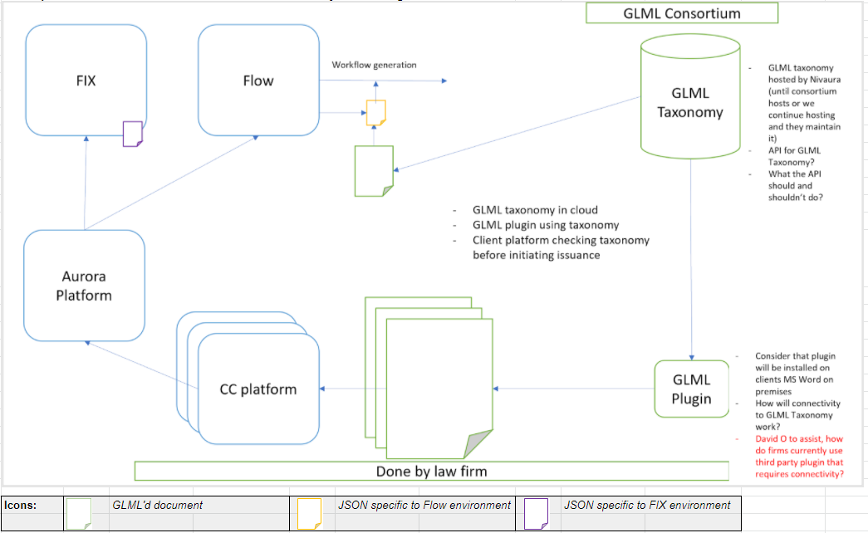

Overview: | Description: | Logged by:
GLML Taxonomy & GLML Plugin interface | How will connectivity between GLML Plugin and GLML Taxonomy work? | Kristiane
3rd Party Plugins | How do firms currently use third party MS word plugins that require connectivity? | Kristiane
GLML Taxonomy & GLML Plugin interface | API must push out new or updated tags from the GLML Taxonomy to the GLML plugins. API must allow users to submit proposals of new tags to the added to the GLML Taxonomy for review by the body maintaining the Taxonomy | Kristiane

